VM Main Screen
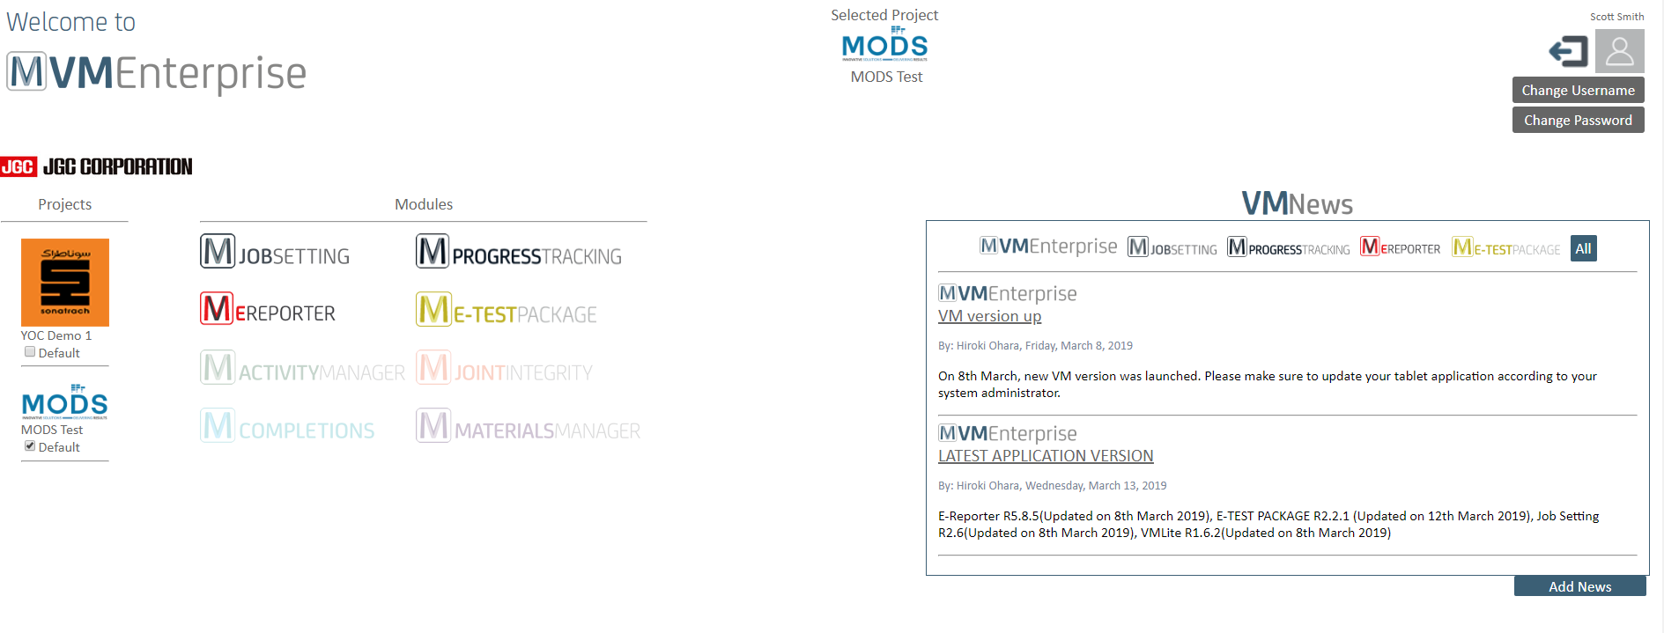

M PERMIT MANAGER

CLICK

First Screen
VME Search.......

M PERMIT MANAGER
Over View Status

Detail Dashboard
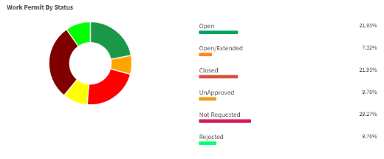
Work Permits By PCWBS/Location
Work Permits By Status
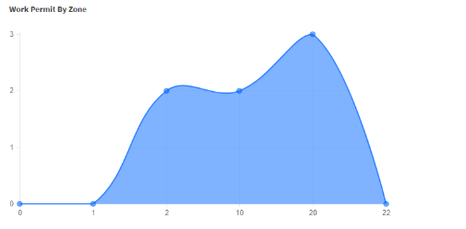

Permit To Work

Permit Conflict
Simops

Admin
A110
B110
C110
D110
E110
CLICK

Work Permits By Type

PCWBS Definition
VME Search.......

M PERMIT MANAGER
1. Download PCWBS Code from DataHub
2.
CLICK

PCWBS Definition
3. Define PCWBS Boundary
4. Commissioning and SIMOPS Area

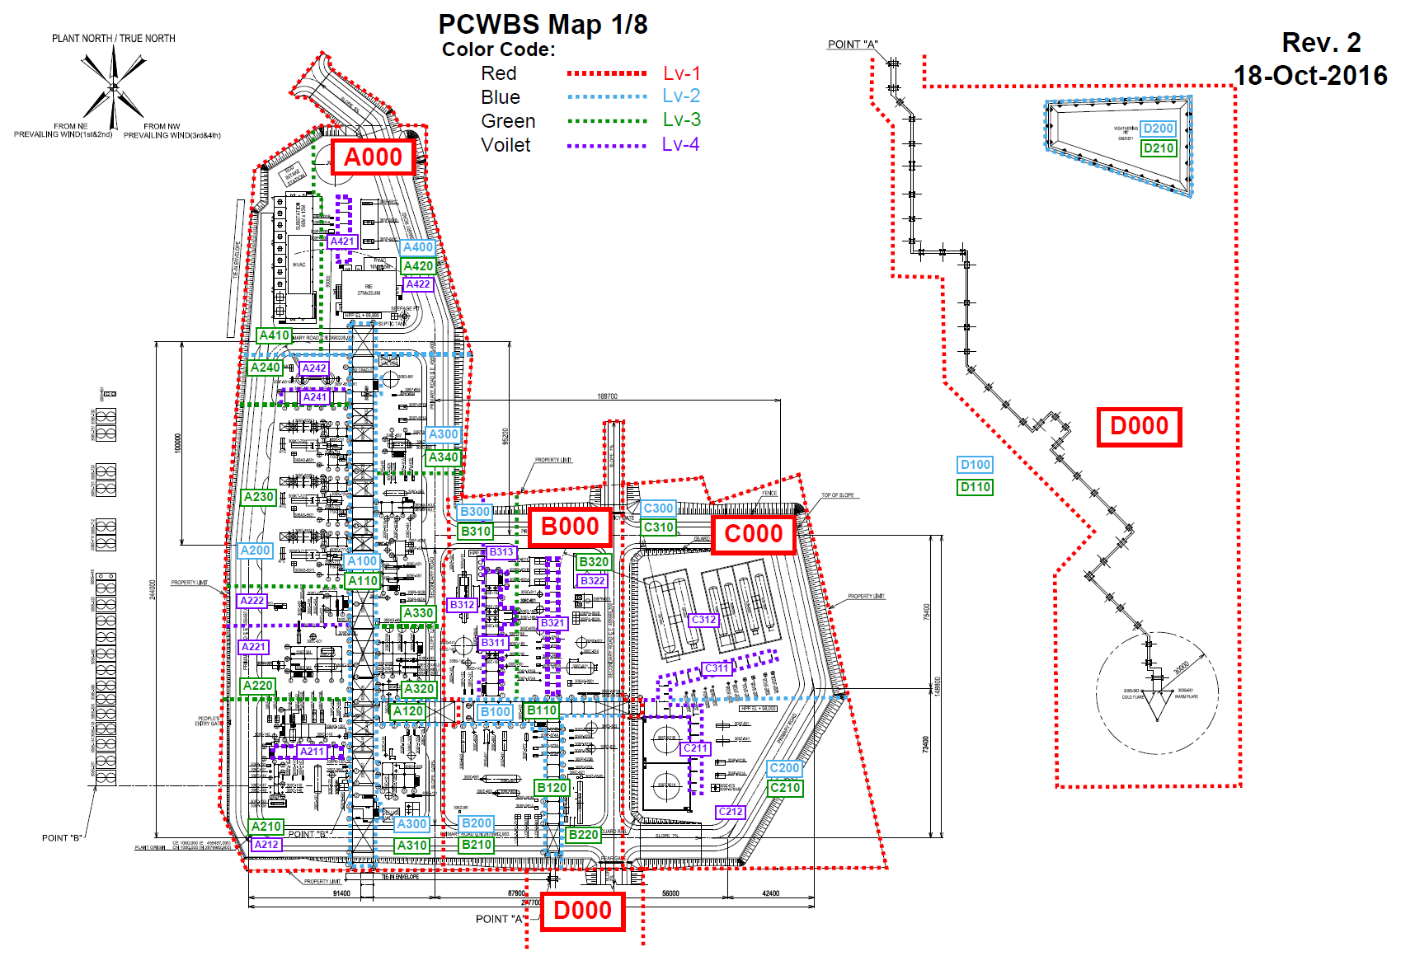
Tick Commissioning and SIMOPS area
□ A110 □ B110 □ C110 □ D110
□ A120 □ B120 □ C120 □ D120
□ A210 □ B210 □ C210 □ D210
□ A220 □ B220 □ C220 □ D220

FWBS Definition

PTW Pre-Application QA

Certificate QA

Certificate Authority
Working Hour
5. No PCWBS area
Construction Tool List

Method Statement
 | Type Name of Area at out side of PCBWBS | ADD
Available Area Name
 | MCSC
Precautions QA
 | Parking Area
 | Camp A
Affected Area and
Discipline
 | Camp B

Should we allow different levels of PCWBS Map?
Do JGC have seperate files for each level PCWBS?

Construction Tool List

CLICK

COMM and SIMOPS Area

PTW Sign Offs

FWBS Definition
VME Search.......

M PERMIT MANAGER
CLICK
1. Download FWBS from DataHub

PCWBS Definition
2. Choose ICON for FWBS Lv.1

1000
5000
9000
FWBS Definition

PTW Pre-Application QA

2000
6000
A000

Certificate QA
Certificate Authority

Working Hour
3000
7000
B000

Construction Tool List

Method Statement

Precautions QA
4000
8000
Others

Affected Area and
Discipline

Certificate List
Should we allow different levels of PCWBS Map?
Do JGC have seperate files for each level PCWBS?

By Adding in PCWBS Map in Admin will allow users to mark permit location during registration
Certificate List Pre-Application QA

Construction Tool List

CLICK

COMM and SIMOPS Area

PTW Sign Offs

PTW Selection QA
Quetions can be set as default same questions for all project with the option to and new content/ questions can be added / deleted by specific project members
VME Search.......

M PERMIT MANAGER
CLICK
Add Questonnaire
Add PTW Type

PCWBS Definition

FWBS Definition

PTW Pre-Application QA

Certificate QA

Certificate Authority
Working Hour
By selecting edit, user can update, basically this will be handled during project setup or be set as default.
Construction Tool List

Method Statement

Precautions QA

Affected Area and
Discipline

From previous experience the key is not to hard code, JGC may use different rules on different projects
with having admin screens we can tailor to each project

Certificate Authorized Person
VME Search.......

M PERMIT MANAGER
CLICK
Add Parent Certificate

PCWBS Definition
Parent Certificate | Child 1 | Child 2 | Child 3
Excavation | NA
Confined Space | PIP | EQP | Excavated Area/Pit
FWBS Definition
Radio Graphy | Soil | NDT
Energy Isolation | PIP | EQP | ELEC
Grating Removal | NA
PTW Pre-Application QA

 |  | Authority 1 |  |  | Special Authority
Certificate |  | COMPANY | Section | Function | Employee No.
Excavation |  | JGC | CVL | 06 | 09828
Certificate QA
CSE in Pip |  | JGC | PIP | 06 | 09829
CSE in Equip. |  | JGC | MECH | 06 | 09830
Certificate Authority
CSE in Excavated Area/Pit |  | JGC | CVL | 06 | 09831
Working Hour
CSE Others |  | JGC | CMT | 08
Radiography for Soil |  | JGC | CVL | 06 | 09832
Radiography for NDT |  | JGC | CMT | 08 | 09833
Construction Tool List
Energy Isolation for Piping |  | JGC | PIP | 06 | 09834
Energy Isolation for Equipment |  | JGC | MECH | 06 | 09835
Method Statement
Energy Isolation for Electrical |  | JGC | ELEC | 06 | 09836
Grating Removal |  | JGC | STR | 06 | 09837
Precautions QA

Affected Area and
Discipline

Certificate QA
VME Search.......

M PERMIT MANAGER
CLICK
Add Questonnaire

PCWBS Definition


FWBS Definition

PTW Pre-Application QA

Certificate QA

Certificate Authority
Working Hour

Construction Tool List

Method Statement
By selecting edit, user can update, basically this will be handled during project setup or be set as default.
> Adjustable
Precautions QA

Affected Area and
Discipline

Working Hour
VME Search.......

M PERMIT MANAGER
CLICK

PCWBS Definition
 | Time Zone UTC

FWBS Definition
Applicable Duration |  | Start | Finish |  | Applicable Duration | Start | Finish |  | Applicable Duration | Start | Finish
Day Shift |  | Y/N |  |  | Day Shift | Y/N |  |  | Day Shift | Y/N
Working Start |  |  |  | Optional 1 Break Time Start | Working Start |  |  | Optional 1 Break Time Start | Working Start |  |  | Optional 1 Break Time Start
Break Time Start |  |  |  | Optional 1 Break Time Finish | Break Time Start |  |  | Optional 1 Break Time Finish | Break Time Start |  |  | Optional 1 Break Time Finish
PTW Pre-Application QA
Break Time Finish |  |  |  | Optional 2 Break Time Start | Break Time Finish |  |  | Optional 2 Break Time Start | Break Time Finish |  |  | Optional 2 Break Time Start
Working Finish |  |  |  | Optional 2 Break Time Finish | Working Finish |  |  | Optional 2 Break Time Finish | Working Finish |  |  | Optional 2 Break Time Finish

Certificate QA
Night Shift |  | Y/N |  |  | Night Shift | Y/N |  |  | Night Shift | Y/N
Working Start |  |  |  | Optional 1 Break Time Start | Working Start |  |  | Optional 1 Break Time Start | Working Start |  |  | Optional 1 Break Time Start
Break Time Start |  |  |  | Optional 1 Break Time Finish | Break Time Start |  |  | Optional 1 Break Time Finish | Break Time Start |  |  | Optional 1 Break Time Finish
Certificate Authority
Break Time Finish |  |  |  | Optional 2 Break Time Start | Break Time Finish |  |  | Optional 2 Break Time Start | Break Time Finish |  |  | Optional 2 Break Time Start
Working Finish |  |  |  | Optional 2 Break Time Finish | Working Finish |  |  | Optional 2 Break Time Finish | Working Finish |  |  | Optional 2 Break Time Finish
Working Hour
Construction Tool List
Another Shift |  | Y/N |  |  | Another Shift | Y/N |  |  | Another Shift | Y/N
Working Start |  |  |  | Optional 1 Break Time Start | Working Start |  |  | Optional 1 Break Time Start | Working Start |  |  | Optional 1 Break Time Start
Break Time Start |  |  |  | Optional 1 Break Time Finish | Break Time Start |  |  | Optional 1 Break Time Finish | Break Time Start |  |  | Optional 1 Break Time Finish
Break Time Finish |  |  |  | Optional 2 Break Time Start | Break Time Finish |  |  | Optional 2 Break Time Start | Break Time Finish |  |  | Optional 2 Break Time Start
Method Statement
Working Finish |  |  |  | Optional 2 Break Time Finish | Working Finish |  |  | Optional 2 Break Time Finish | Working Finish |  |  | Optional 2 Break Time Finish

Precautions QA
Another Shift |  | Y/N |  |  | Another Shift | Y/N |  |  | Another Shift | Y/N
Working Start |  |  |  | Optional 1 Break Time Start | Working Start |  |  | Optional 1 Break Time Start | Working Start |  |  | Optional 1 Break Time Start
Break Time Start |  |  |  | Optional 1 Break Time Finish | Break Time Start |  |  | Optional 1 Break Time Finish | Break Time Start |  |  | Optional 1 Break Time Finish
Affected Area and
Discipline
Break Time Finish |  |  |  | Optional 2 Break Time Start | Break Time Finish |  |  | Optional 2 Break Time Start | Break Time Finish |  |  | Optional 2 Break Time Start
Working Finish |  |  |  | Optional 2 Break Time Finish | Working Finish |  |  | Optional 2 Break Time Finish | Working Finish |  |  | Optional 2 Break Time Finish

Construction Tool List
VME Search.......

M PERMIT MANAGER
Step 1
CLICK

PCWBS Definition
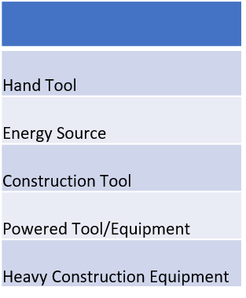
We could have a default setup of images that will transfer to all projects, Admin screen will allow
to add/delete to suit project requirements.

FWBS Definition

PTW Pre-Application QA

Step 2 - Select Category

Certificate QA

Certificate Authority
Working Hour
Step 3 - Select Image and Name

Construction Tool List

Method Statement

Precautions QA
Existing Heavy Construction Equipment

Affected Area and
Discipline
Step 4 - Save

CLICK

Method Statement
VME Search.......

M PERMIT MANAGER

PCWBS Definition
2000
1000
3000
4000
5000
6000
7000
8000
9000
A000
B000
FWBS Definition

PTW Pre-Application QA
S/N | Drawing No. | Description | Revision | Setting
1 | V-3160-XXXX-001
2 | V-3160-XXXX-002
3 | V-3160-XXXX-003
Certificate QA
4 | V-3160-XXXX-004
5 | V-3160-XXXX-005
Certificate Authority
6 | V-3160-XXXX-006
Working Hour
7 | V-3160-XXXX-007
8 | V-3160-XXXX-008
9 | V-3160-XXXX-009
Construction Tool List
10 | V-3160-XXXX-010
11 | V-3160-XXXX-011
12 | V-3160-XXXX-012
13 | V-3160-XXXX-013
14 | V-3160-XXXX-014
Method Statement

Precautions QA

Affected Area and
Discipline

Precautions QA
VME Search.......

M PERMIT MANAGER

PCWBS Definition
Before Starting:
Toolbox talks to be conducted
Work to be provided with safe access and egress
FWBS Definition
Work area isolation barriers to be in place
Lifting equipment certified
All lifting devices to be visually examined before use
Hoses and electrical extension cables to be protected/secure
PTW Pre-Application QA
Site/local traffic to be routed away from the work area
Area to be free of flammable/combustible materials

Certificate QA
During Work:
Access to the work area to remain restricted
Equipment maintenance checks to be carried out
All equipment to be turned off when work site left unattended
Working Hour
PPE to be worn at all times
Plant refuelling procedure to be followed
Proper rest breaks to be observed
Construction Tool List
Plant/equipment operators to be certified

Method Statement
After Work:
Check the work area to ensure barriers and lights are in place
All equipment to be removed and the area made safe
De-watering pumps fueled and in a place where needed
Precautions QA

Affected Area and
Discipline

Affected Area and Discipline
VME Search.......

M PERMIT MANAGER
Add New Area
Add New Discipline

PCWBS Definition
Area | ACM | Civil | Struture | Building | Mech. | Piping | Inst. | Elec. | Paint | Insulation | Comm. | Owner
A000 | 08528 | 09828 | 09829 | 09830 | 09831 | 09832 | 09833 | 09834 | 09835 | 09836 | 09837 | 09838 | Area | Definition
B000 | 08529 | 09829 | 09830 | 09831 | 09832 | 09833 | 09834 | 09835 | 09836 | 09837 | 09838 | 09839 | Area 1 | A000
FWBS Definition
C000 | 08530 | 09830 | 09831 | 09832 | 09833 | 09834 | 09835 | 09836 | 09837 | 09838 | 09839 | 09840 | Area 2 | B000
D000 | 08531 | 09831 | 09832 | 09833 | 09834 | 09835 | 09836 | 09837 | 09838 | 09839 | 09840 | 09841 | Area 3 | C000
E000 | 08532 | 09831 | 09832 | 09833 | 09834 | 09835 | 09836 | 09837 | 09838 | 09839 | 09840 | 09841 | Area 4 | D000
 |  |  |  |  |  |  |  |  |  |  |  |  | Area 5 | E000
PTW Pre-Application QA
System to allow multi PCWBS selection.
System to allow multiple ID selection.

Certificate QA

Working Hour

Construction Tool List

Method Statement

Precautions QA

Affected Area and
Discipline

PCWBS Selection
VME Search.......

M PERMIT MANAGER
- New PTW
Over View Status
You have XXX validated PTW now.

Detail Dashboard
- PTW Existing
Work Permits By PCWBS/Location
Work Permits By Status

Where will you perform your work? (Red Highlighted Area is not allowed to work by using Construction Work PTW)

Permit To Work
□ A110 □ B110 □ C110 □ D110
□ A120 □ B120 □ C120 □ D120
□ A210 □ B210 □ C210 □ D210
□ A220 □ B220 □ C220 □ D220
□ No PCWBS Code

Permit Conflict
Simops

Admin
A110
B110
C110
D110
E110
CLICK
Refer PCWBS Map

Work Permits By Type

No PCWBS

Any PCWBS

Judge selected PCWBS is not under COM/SIMOPS area.
If the PCWBS is under the area, message which "You need to prepare PTW by Paper".

PCWBS Map
VME Search.......

M PERMIT MANAGER
Y
Mark Up location where you will perfom your work.

CLICK

Ask "Don't you need to save mark up information?"

CLICK

Activity Selection
VME Search.......

M PERMIT MANAGER
- New PTW
Over View Status
You have XXX validated PTW now.

Detail Dashboard
- PTW Existing
Work Permits By PCWBS/Location
Work Permits By Status

Do you know Construction Work Package number?

Permit To Work
Yes
No
CLICK
CLICK

Permit Conflict
Simops

Admin
A110
B110
C110
D110
E110
CLICK

Work Permits By Type

Activity Selection from CWP_IWP
VME Search.......

M PERMIT MANAGER
- New PTW
You have XXX validated PTW now.
Over View Status

These are catergorized by FWBS Lv1. Performing party can not select multiple FWBS Lv.1. One PTW can cover single FWBS Lv.1.
Detail Dashboard
- PTW Existing
Select your IWP
CLICK
Work Permits By PCWBS/Location
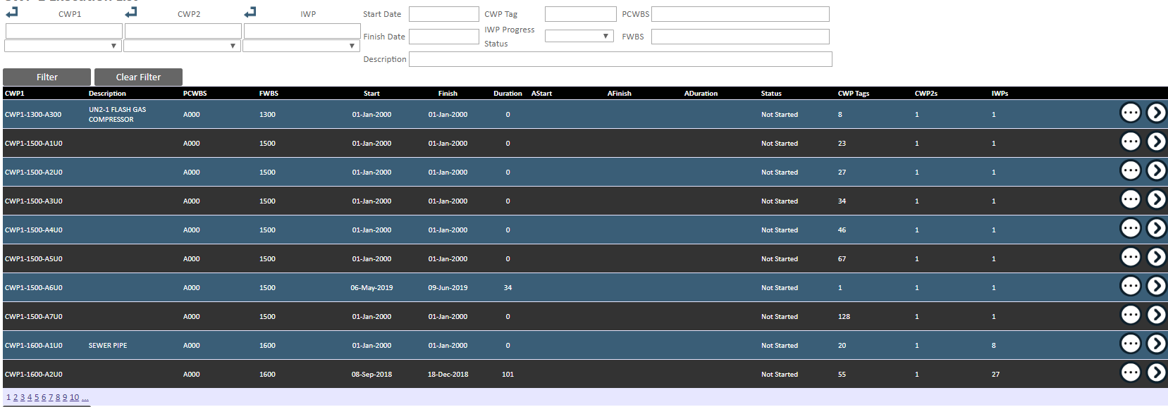
Work Permits By Status

Permit To Work

Permit Conflict
Simops

Admin
A110
B110
C110
D110
E110

Selected IWP will be listed.
> Within FWBS Lv1, multiple IWP can be selected.
Work Permits By Type

CLICK

Permit Type from CWP_IWP
VME Search.......

M PERMIT MANAGER

PTW PRE-APPLICATION QUESTIONNAIRE

General Civil
Does your work generate heat or sparks (grinding, cutting or welding)?
CLICK

Yes
No

Underground Sewer Installation


You Require to preare Cold Work Permit is ...

If answer is no, diamond dast icon to be flown in a screen for fun.
If answer is yes, flaring icon to be flown in a screen for fun.

Cold Work
PTW

Hot Work
PTW

CLICK

Activity Selection from FWBS1
VME Search.......

M PERMIT MANAGER
- New PTW
You have XXX validated PTW now.
These are catergorized by FWBS Lv1. Performing party can not select multiple FWBS Lv.1. One PTW can cover single FWBS Lv.1.
Over View Status

Detail Dashboard
- PTW Existing
CLICK
Work Permits By PCWBS/Location
Work Permits By Status

General Civil
Equipment Installation
Insulation

Permit To Work

Permit Conflict
Simops
Concrete Structure
Painting
Piping Work

Admin
A110
B110
C110
D110
E110
Steel Structure
Instrumentation Work
Surface Protection

Work Permits By Type

Other Activity
Building
Electrical Work
CLICK

Activity Selection from FWBS2
VME Search.......

M PERMIT MANAGER
- New PTW
You have XXX validated PTW now.
Over View Status

Detail Dashboard
- PTW Existing
CLICK
Work Permits By PCWBS/Location
Work Permits By Status
1-1-0-0 - Site Investigation
General Civil
1-2-0-0 - Site Development
Permit To Work
1-3-0-0 - Site Improvement

1-4-0-0 - Piling
Permit Conflict
Simops
1-5-0-0 - Earth Structure

1-6-0-0 - Sewer & Drainage
1-6-1-0 - Underground Piping

Admin
1-7-0-0 - Road & Paving
1-6-2-0 - Manhole Catch Basin
A110
B110
C110
D110
E110
1-8-0-0 - Fence & Gate
1-6-3-0 - Open Ditch

1-6-4-0 - Culvert
Work Permits By Type

CLICK

Certificate QA from CWP
VME Search.......

M PERMIT MANAGER

CERTIFICATION PRE-APPLICATION QUESTIONNAIRE

General Civil
CLICK

Does your work ...

Yes
No
require excavation deeper than 300mm, but less than 1,200mm?
require excavation deeper than 1,200mm?​
​
require entry into a space that is not designed for human occupancy and has restricted access/egress?​
​
require using radiography equipment (e.g. soil density testing, NDT)​
​
require isolation of energized equipment, systems, or sub-systems?​
​
require lifting of loads more that 40 t, over or near live lines, during night, by tandem lift?​
​
require the removal of gratings or opening of floor decking?
Yes/ Excavation certificate. No/ Excavation and Confined Space.
Underground Sewer Installation
Yes
No

Cold Work
PTW
Yes
No

Yes
No

Yes
No

Yes
No

Yes
No

According previous screen PTW selection, PTW type to be shown.

CLICK

Permit Type Selection from FWBS
VME Search.......

M PERMIT MANAGER
PTW PRE-APPLICATION QUESTIONNAIRE

Does your work generate heat or sparks (grinding, cutting or welding)?
General Civil
CLICK

Yes
No
1-6-0-0 - Sewer & Drainage
1-6-1-0 - Underground Piping

You Require to preare Cold Work Permit is ...

If answer is no, diamond dast icon to be flown in a screen for fun.
Cold Work
PTW
Hot Work
PTW
If answer is yes, flaring icon to be flown in a screen for fun.

Under FWBS Lv1, multiple selection is acceptalble.
Under FWBS Lv1, multiple selection is acceptalble.

CLICK

PCWBS Map (2)
VME Search.......

M PERMIT MANAGER
Y
Adjust location where you will perfom your work, if required.

CLICK

Ask "Don't you need to save mark up information?"

CLICK

Certificate Selection CWP
VME Search.......

M PERMIT MANAGER
Do You Want To Prepare Another PTW Considering Your Activity
> JGC will provide Q&A sentence to decide required certificate. According the answer, required certificate will be decided automatically.
e.g. Please answer below query.

General Civil
CLICK

You need to attach below certificate to perfom your work.
Underground Sewer Installation

Cold Work
PTW

Confined Space
Excavation
LOTO
Radiography

Certificate preparation will be done after permit creation.

According previous screen PTW selection, PTW type to be shown.
CLICK

Certificate QA from FWBS
VME Search.......

M PERMIT MANAGER
CERTIFICATION PRE-APPLICATION QUESTIONNAIRE

General Civil
Does your work ...
CLICK

Yes
No
require excavation deeper than 300mm, but less than 1,200mm?
require excavation deeper than 1,200mm?​
​
require entry into a space that is not designed for human occupancy and has restricted access/egress?​
​
require using radiography equipment (e.g. soil density testing, NDT)​
​
require isolation of energized equipment, systems, or sub-systems?​
​
require lifting of loads more that 40 t, over or near live lines, during night, by tandem lift?​
​
require the removal of gratings or opening of floor decking?

1-6-0-0 - Sewer & Drainage
Yes
No
1-6-1-0 - Underground Piping

Cold Work
PTW
Yes
No

Yes
No

Yes
No

Yes
No

Yes
No

According previous screen PTW selection, PTW type to be shown.

CLICK

Certificate Selection FWBS
VME Search.......

M PERMIT MANAGER
Do You Want To Prepare Another PTW Considering Your Activity
> JGC will provide Q&A sentence to decide required certificate. According the answer, required certificate will be decided automatically.
e.g. Please answer below query.

General Civil
CLICK

1-6-0-0 - Sewer & Drainage
1-6-1-0 - Underground Piping
You need to attach below certificate to perfom your work.

Cold Work
PTW

Confined Space
Excavation
LOTO
Radiography

Certificate preparation will be done after permit creation.
Off Plot

According previous screen PTW selection, PTW type to be shown.
CLICK

Method Statement Preparation
VME Search.......

M PERMIT MANAGER
Y
Choose Method Statement according to your work

General Civil
CLICK
1000
2000
3000
4000
5000
6000
7000
8000
9000
A000
B000

1-6-0-0 - Sewer & Drainage
1-6-1-0 - Underground Piping

 | S/N | Drawing No. | Description | Revision | Selection
 | 1 | V-3160-XXXX-001
 | 2 | V-3160-XXXX-002
 | 3 | V-3160-XXXX-003
 | 4 | V-3160-XXXX-004
 | 5 | V-3160-XXXX-005
 | 6 | V-3160-XXXX-006
 | 7 | V-3160-XXXX-007
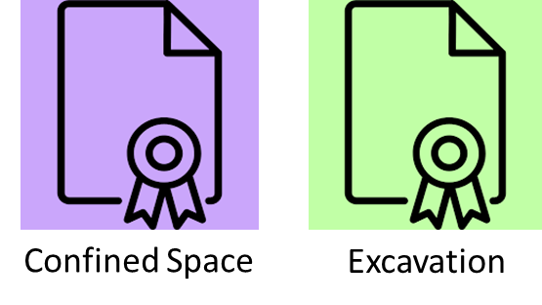
 | 8 | V-3160-XXXX-008
 | 9 | V-3160-XXXX-009
 | 10 | V-3160-XXXX-010
 | 11 | V-3160-XXXX-011
 | 12 | V-3160-XXXX-012
 | 13 | V-3160-XXXX-013
 | 14 | V-3160-XXXX-014

According to permit type and certificate selection, required action to be listed.

CLICK

Permit Creation On Plot
Drafting condition can be seen.
VME Search.......

M PERMIT MANAGER
*According to PCWBS selection in the beggining, data to be shown automatically.
*If PTW is created by using IWP infomration, PCWBS is to be shown according to IWP number.
Y
Permit Drafting
According to mark up in the beggining, mark up to be shown automatically. but, this timing still can be adjusted.

General Civil
Select PCWBS
Mark UP PCWBS Map

1-6-0-0 - Sewer & Drainage
PCWBS
A210 (Auto Populate)
Additional or adjust, if required.
CLICK
1-6-1-0 - Underground Piping
Write your work description

Description

Select your required equipment (Multiple Selection)
Hand Tool
Energy Source
Construction Support Tool





According to permit type and certificate selection, required action to be listed.
Powered Tool/Equipment
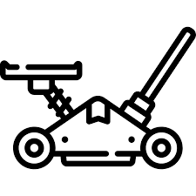



Heavy Construction Equipment

CLICK
Complete Date/Time
Start Date/Time

Permit Creation On Off Plot
Drafting condition can be seen.
VME Search.......

M PERMIT MANAGER
Y
Permit Drafting
Attach required supportive location information.
General Civil
Write Your Work Location
Location
1-6-0-0 - Sewer & Drainage
Free Write
CLICK
1-6-1-0 - Underground Piping
Write your work description

Description
Free Write

Select your required equipment (Multiple Selection)
Hand Tool
Energy Source
Construction Support Tool



According to permit type and certificate selection, required action to be listed.
Powered Tool/Equipment


Heavy Construction Equipment

CLICK
Complete Date/Time
Start Date/Time

Affected Discipline and Area
VME Search.......

M PERMIT MANAGER
Y

Does your work need to get any concurence signature?
General Civil
Yes
No

1-6-0-0 - Sewer & Drainage
CLICK
1-6-1-0 - Underground Piping
If yes, please choose required concurence signature from below.

Area | ACM | Civil | Str. | Build | Mech. | Piping | Inst. | Elec. | Paint | Insu. | Comm. | Owner
A000
B000
C000
D000
E000

According to permit type and certificate selection, required action to be listed.

CLICK

Pre-Caution Check
VME Search.......

M PERMIT MANAGER
Y

General Civil
CLICK

1-6-0-0 - Sewer & Drainage
1-6-1-0 - Underground Piping
Before Starting: | Required | NA
Toolbox talks to be conducted | X
Work to be provided with safe access and egress | X
Work area isolation barriers to be in place | X
Lifting equipment certified | X
All lifting devices to be visually examined before use | X
Hoses and electrical extension cables to be protected/secure | X
Site/local traffic to be routed away from the work area | X
Area to be free of flammable/combustible materials | X

During Work:
Access to the work area to remain restricted |  | X
Equipment maintenance checks to be carried out | X
All equipment to be turned off when work site left unattended | X
PPE to be worn at all times | X
Plant refuelling procedure to be followed | X
Proper rest breaks to be observed | X
Plant/equipment operators to be certified | X

According to permit type and certificate selection, required action to be listed.
After Work:
Check the work area to ensure barriers and lights are in place | X
All equipment to be removed and the area made safe | X
De-watering pumps fueled and in a place where needed |  | X

CLICK

Permit Confirmation
VME Search.......

M PERMIT MANAGER
Y

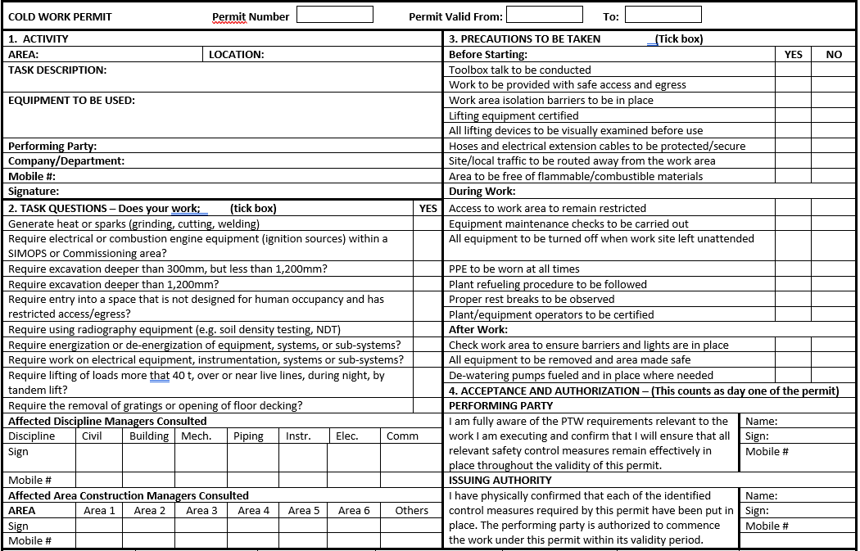
General Civil
CLICK

1-6-0-0 - Sewer & Drainage
1-6-1-0 - Underground Piping

According to permit type and certificate selection, required action to be listed.

CLICK

Certificate Preparation
VME Search.......

M PERMIT MANAGER
Y
You need to prepare below certificates.

General Civil
CLICK

1-6-0-0 - Sewer & Drainage
1-6-1-0 - Underground Piping

Confined Space
Excavation
LOTO
Radiography

According to permit type and certificate selection, required action to be listed.

CLICK

Confined Space 1
VME Search.......

M PERMIT MANAGER
Y

General Civil
CLICK

1-6-0-0 - Sewer & Drainage
1-6-1-0 - Underground Piping
Confined Space

Show child certificate type for selection, if child certificate is available.

Choose the purpose of your confined space certificate.

For Excavated area
For Equipment or Tank
For Piping
Others
tunnel, wells, pits, vaults, ship holds, ducts, sewers

According to permit type and certificate selection, required action to be listed.

CSE for Excavation
VME Search.......

M PERMIT MANAGER
Y

General Civil
For Excavated area
CLICK

1-6-0-0 - Sewer & Drainage
1-6-1-0 - Underground Piping
Confined Space

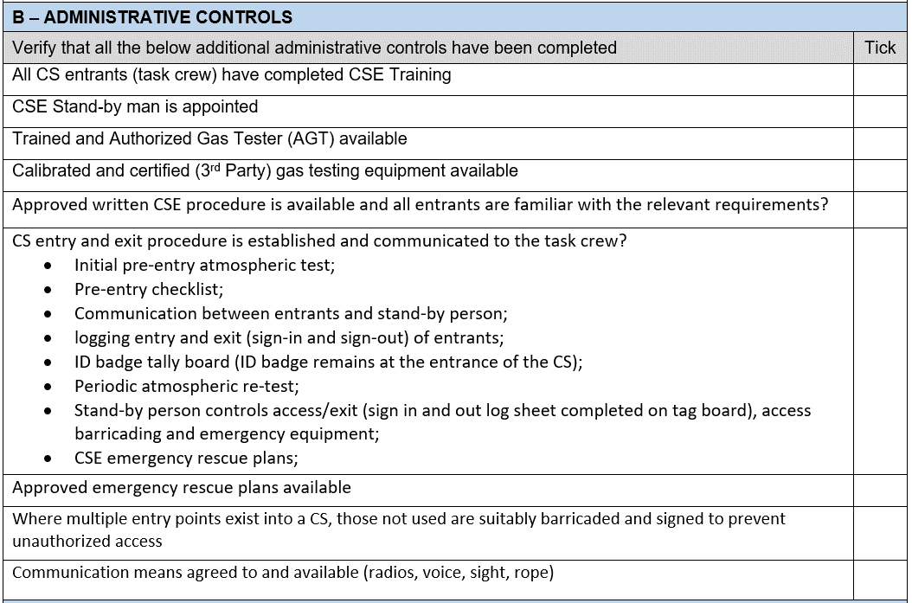

According to permit type and certificate selection, required action to be listed.
Attach Drawing

Highlight drawing if required.

CLICK

CSE for Equip and Tank
VME Search.......

M PERMIT MANAGER
Y

General Civil
CLICK
For Equipment or Tank

1-6-0-0 - Sewer & Drainage
1-6-1-0 - Underground Piping
Confined Space

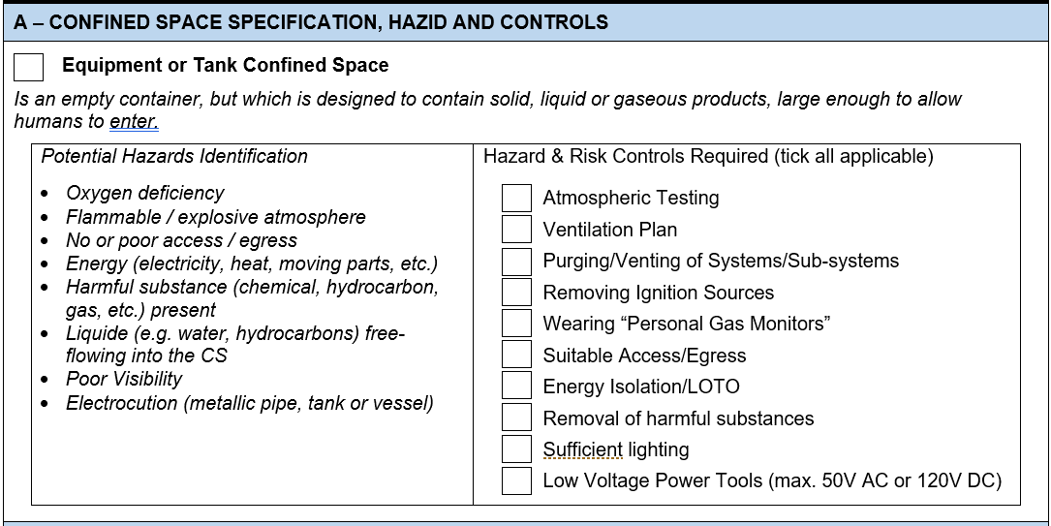
Attach Drawing

Highlight drawing if required.

According to permit type and certificate selection, required action to be listed.

CLICK

CSE for Piping
VME Search.......

M PERMIT MANAGER
Y

General Civil
CLICK
For Piping

1-6-0-0 - Sewer & Drainage
1-6-1-0 - Underground Piping
Confined Space

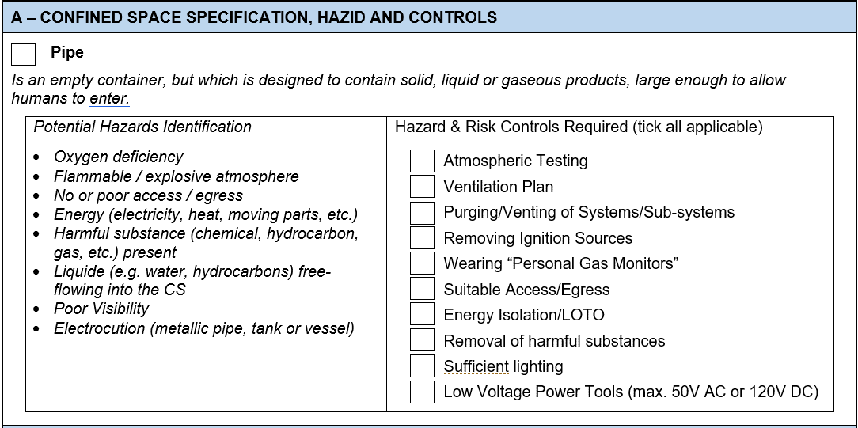

Attach Drawing

Highlight drawing if required.

According to permit type and certificate selection, required action to be listed.

CLICK

CSE for Others
VME Search.......

M PERMIT MANAGER
Y

General Civil
CLICK
For Piping

1-6-0-0 - Sewer & Drainage
1-6-1-0 - Underground Piping
Confined Space

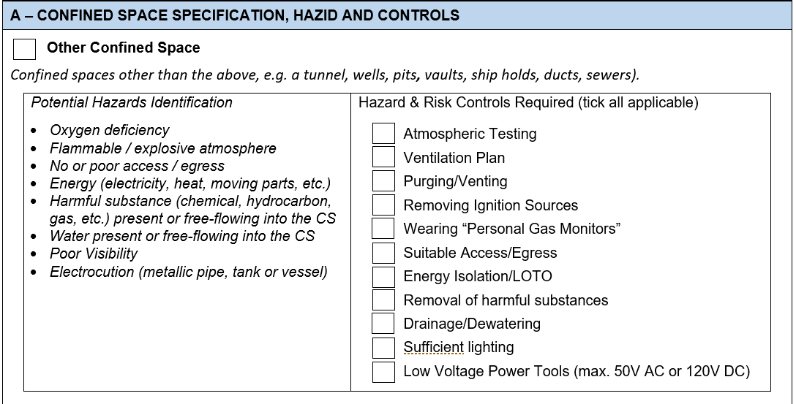

Attach Drawing

Highlight drawing if required.

According to permit type and certificate selection, required action to be listed.

CLICK

Check
VME Search.......

M PERMIT MANAGER
Y

General Civil
CLICK
DONE!!

1-6-0-0 - Sewer & Drainage
1-6-1-0 - Underground Piping

Confined Space
Excavation
LOTO
Radiography

: Prepared CSE

Do you want to start preparation of next certificate?

Yes
No

According to permit type and certificate selection, required action to be listed.

Excavation
VME Search.......

M PERMIT MANAGER
Y

General Civil
CLICK

1-6-0-0 - Sewer & Drainage
1-6-1-0 - Underground Piping
Excavation

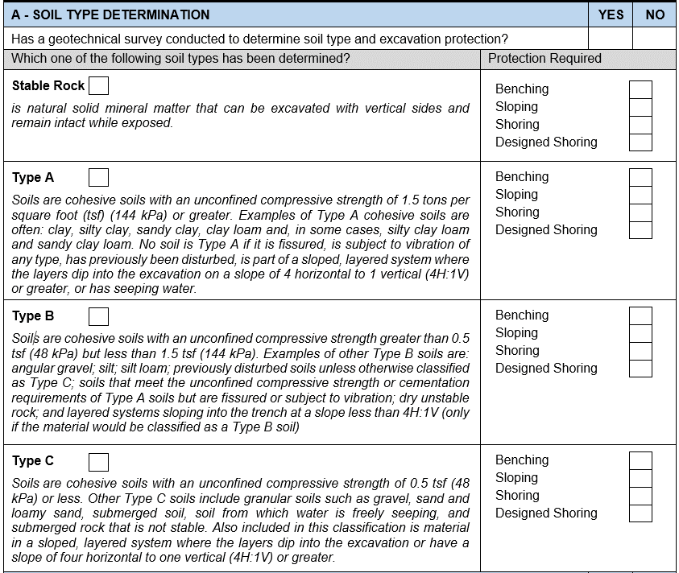
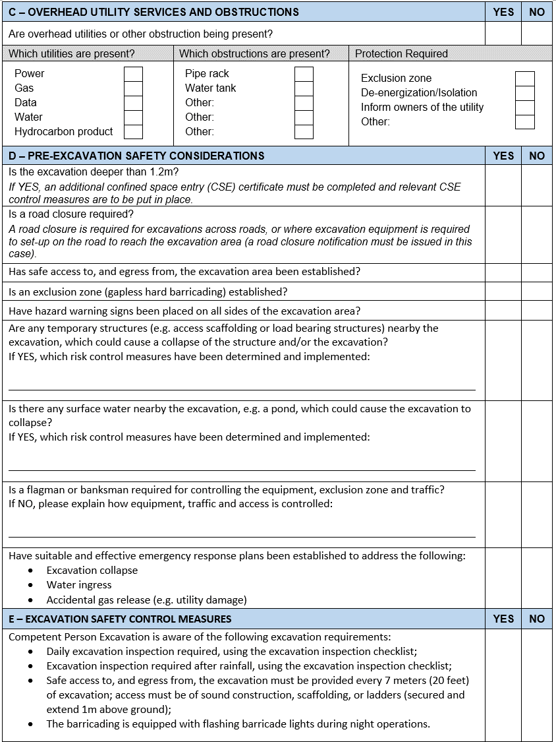
Attach Drawing

Highlight drawing if required.

According to permit type and certificate selection, required action to be listed.

CLICK

Final Confirmation
VME Search.......

M PERMIT MANAGER
Y
You have prepared below documents.

General Civil
CLICK

1-6-0-0 - Sewer & Drainage
1-6-1-0 - Underground Piping

Do you want to check compiled PTW?

 | : Compiled PTW

 | : PTW

 | : Confined Space Certificate

According to permit type and certificate selection, required action to be listed.
 | : Excavation Certificate

Submit PTW to Issuing Authority.

Sbumitted
VME Search.......

M PERMIT MANAGER
Y
You have submitted PTW.

General Civil
CLICK

1-6-0-0 - Sewer & Drainage
1-6-1-0 - Underground Piping

Oncer certificate is approved, automatically this PTW will be submitted to Issuing Authority.

According to permit type and certificate selection, required action to be listed.

